Figure
[YEAR] Hand Hygiene Success Rates by Month, by Unit
 | Unit 1 | Unit 2 | Unit 3 | Unit 4 | Unit 5 | Unit 6 | Unit 7 | Unit 8 | Unit 9 | Unit 10 | Unit 11 | Unit 12
JAN | 0.0% | 0.0% | 0.0% | 0.0% | 0.0% | 0.0% | 0.0% | 0.0% | 0.0% | 0.0% | 0.0% | 0.0%
FEB | 0.0% | 0.0% | 0.0% | 0.0% | 0.0% | 0.0% | 0.0% | 0.0% | 0.0% | 0.0% | 0.0% | 0.0%
MAR | 0.0% | 0.0% | 0.0% | 0.0% | 0.0% | 0.0% | 0.0% | 0.0% | 0.0% | 0.0% | 0.0% | 0.0%
APR | 0.0% | 0.0% | 0.0% | 0.0% | 0.0% | 0.0% | 0.0% | 0.0% | 0.0% | 0.0% | 0.0% | 0.0%
MAY | 0.0% | 0.0% | 0.0% | 0.0% | 0.0% | 0.0% | 0.0% | 0.0% | 0.0% | 0.0% | 0.0% | 0.0%
JUN | 0.0% | 0.0% | 0.0% | 0.0% | 0.0% | 0.0% | 0.0% | 0.0% | 0.0% | 0.0% | 0.0% | 0.0%
JUL | 0.0% | 0.0% | 0.0% | 0.0% | 0.0% | 0.0% | 0.0% | 0.0% | 0.0% | 0.0% | 0.0% | 0.0%
AUG | 0.0% | 0.0% | 0.0% | 0.0% | 0.0% | 0.0% | 0.0% | 0.0% | 0.0% | 0.0% | 0.0% | 0.0%
SEP | 0.0% | 0.0% | 0.0% | 0.0% | 0.0% | 0.0% | 0.0% | 0.0% | 0.0% | 0.0% | 0.0% | 0.0%
OCT | 0.0% | 0.0% | 0.0% | 0.0% | 0.0% | 0.0% | 0.0% | 0.0% | 0.0% | 0.0% | 0.0% | 0.0%
NOV | 0.0% | 0.0% | 0.0% | 0.0% | 0.0% | 0.0% | 0.0% | 0.0% | 0.0% | 0.0% | 0.0% | 0.0%
DEC | 0.0% | 0.0% | 0.0% | 0.0% | 0.0% | 0.0% | 0.0% | 0.0% | 0.0% | 0.0% | 0.0% | 0.0%

Example Observations
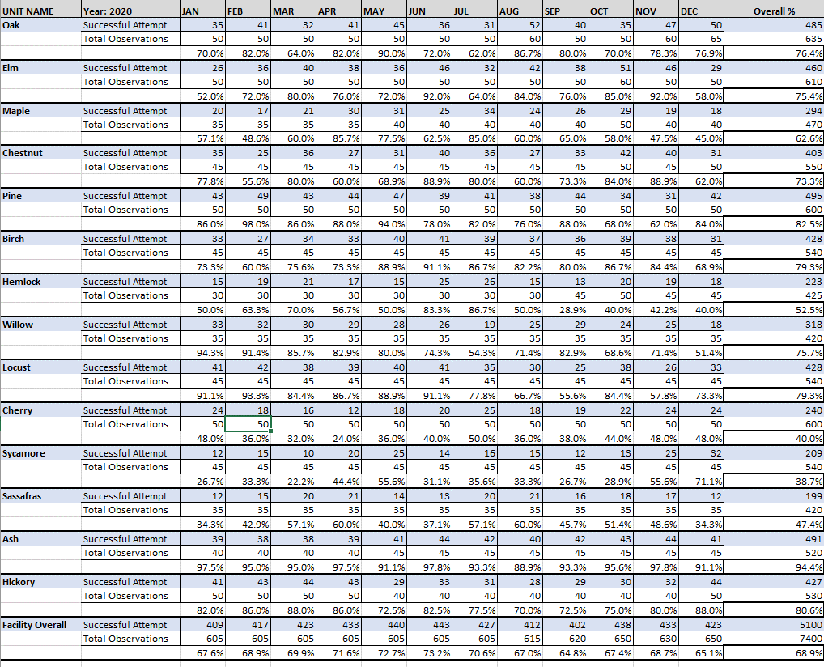

Example Figure
